Descriptive - Bakery Owner Dues
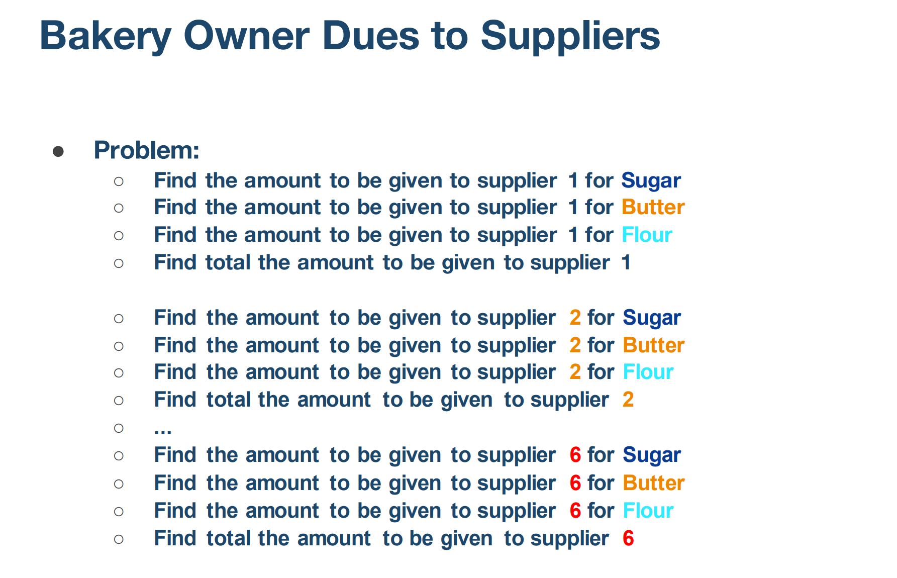

 | Prices Table

 | Supplier | Sugar Price | Butter Price | Flour Price
 | Supplier 1 | 0.32 | 1.57 | 0.11
 | Supplier 2 | 0.35 | 1.54 | 0.1
 | Supplier 3 | 0.25 | 1.54 | 0.21
 | Supplier 4 | 0.29 | 1.24 | 0.1
 | Supplier 5 | 0.35 | 1.3 | 0.18
 | Supplier 6 | 0.27 | 1.42 | 0.15

 | Quantity Table

 | Supplier | Sugar Quantity | Butter Quantity | Flour Quantity
 | Supplier 1 | 364 | 391 | 220
 | Supplier 2 | 387 | 245 | 314
 | Supplier 3 | 290 | 211 | 200
 | Supplier 4 | 340 | 265 | 330
 | Supplier 5 | 261 | 345 | 246
 | Supplier 6 | 365 | 232 | 390

 | Cost
 |  | Sugar | Butter | Flour | Total
 | Supplier 1 | 116.48 | 613.87 | 24.2 | 754.55
 | Supplier 2 | 135.45 | 377.3 | 31.4 | 544.15
 | Supplier 3 | 72.5 | 324.94 | 42 | 439.44
 | Supplier 4 | 98.6 | 328.6 | 33 | 460.2
 | Supplier 5 | 91.35 | 448.5 | 44.28 | 584.13
 | Supplier 6 | 98.55 | 329.44 | 58.5 | 486.49
 | Total | 612.93 | 2422.65 | 233.38 | 3268.96

 | Sugar |  |  |  | Butter |  |  |  | Flour
Supplier | Price | Quantity | Total | Supplier | Price | Quantity | Total | Supplier | Price | Quantity | Total
Supplier 1 | 0.32 | 364 | 116.48 | Supplier 1 | 1.57 | 391 | 613.87 | Supplier 1 | 0.11 | 220 | 24.2
Supplier 2 | 0.35 | 387 | 135.45 | Supplier 2 | 1.54 | 245 | 377.3 | Supplier 2 | 0.1 | 314 | 31.4
Supplier 3 | 0.25 | 290 | 72.5 | Supplier 3 | 1.54 | 211 | 324.94 | Supplier 3 | 0.21 | 200 | 42
Supplier 4 | 0.29 | 340 | 98.6 | Supplier 4 | 1.24 | 265 | 328.6 | Supplier 4 | 0.1 | 330 | 33
Supplier 5 | 0.35 | 261 | 91.35 | Supplier 5 | 1.3 | 345 | 448.5 | Supplier 5 | 0.18 | 246 | 44.28
Supplier 6 | 0.27 | 365 | 98.55 | Supplier 6 | 1.42 | 232 | 329.44 | Supplier 6 | 0.15 | 390 | 58.5
Total |  |  | 612.93 | Total |  |  | 2422.65 | Total |  |  | 233.38 | 3268.96

Predicting The number of Custom
